PopulationReport
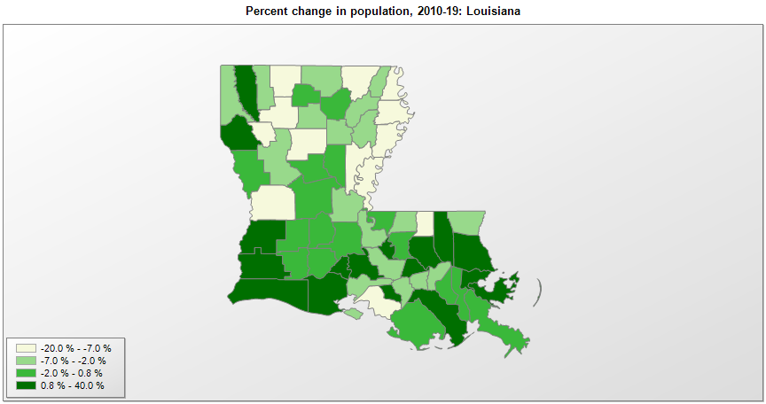

FIPS* | County name | RUC code | Pop. 1990 | Pop. 2000 | Pop. 2010 | Pop. 2019 | Change 2010-19
22000 | Louisiana |  | 4,221,826 | 4,469,035 | 4,533,487 | 4,648,794 | 2.5%
22001 | Acadia Parish | 2 | 55,882 | 58,833 | 61,787 | 62,045 | 0.4%
22003 | Allen Parish | 6 | 21,226 | 25,441 | 25,747 | 25,627 | -0.5%
22005 | Ascension Parish | 2 | 58,214 | 76,639 | 107,215 | 126,604 | 18.1%
22007 | Assumption Parish | 6 | 22,753 | 23,343 | 23,416 | 21,891 | -6.5%
22009 | Avoyelles Parish | 6 | 39,159 | 41,501 | 42,071 | 40,144 | -4.6%
22011 | Beauregard Parish | 6 | 30,083 | 32,948 | 35,651 | 37,497 | 5.2%
22013 | Bienville Parish | 6 | 16,232 | 15,753 | 14,353 | 13,241 | -7.7%
22015 | Bossier Parish | 2 | 86,088 | 99,355 | 117,036 | 127,039 | 8.5%
22017 | Caddo Parish | 2 | 248,253 | 251,129 | 254,914 | 240,204 | -5.8%
22019 | Calcasieu Parish | 3 | 168,134 | 183,606 | 192,772 | 203,436 | 5.5%
22021 | Caldwell Parish | 8 | 9,806 | 10,554 | 10,126 | 9,918 | -2.1%
22023 | Cameron Parish | 3 | 9,260 | 9,965 | 6,868 | 6,973 | 1.5%
22025 | Catahoula Parish | 9 | 11,065 | 10,905 | 10,407 | 9,494 | -8.8%
22027 | Claiborne Parish | 6 | 17,405 | 16,850 | 17,195 | 15,670 | -8.9%
22029 | Concordia Parish | 7 | 20,828 | 20,221 | 20,822 | 19,259 | -7.5%
22031 | De Soto Parish | 2 | 25,668 | 25,489 | 26,656 | 27,463 | 3.0%
22033 | East Baton Rouge Parish | 2 | 380,105 | 412,899 | 440,525 | 440,059 | -0.1%
22035 | East Carroll Parish | 7 | 9,709 | 9,415 | 7,759 | 6,861 | -11.6%
22037 | East Feliciana Parish | 2 | 19,211 | 21,348 | 20,260 | 19,135 | -5.6%
22039 | Evangeline Parish | 6 | 33,274 | 35,502 | 33,988 | 33,395 | -1.7%
22041 | Franklin Parish | 7 | 22,387 | 21,264 | 20,767 | 20,015 | -3.6%
22043 | Grant Parish | 3 | 17,526 | 18,697 | 22,309 | 22,389 | 0.4%
22045 | Iberia Parish | 2 | 68,297 | 73,277 | 73,087 | 69,830 | -4.5%
22047 | Iberville Parish | 2 | 31,049 | 33,319 | 33,404 | 32,511 | -2.7%
22049 | Jackson Parish | 6 | 15,859 | 15,408 | 16,272 | 15,744 | -3.2%
22051 | Jefferson Parish | 1 | 448,306 | 455,406 | 432,576 | 432,493 | 0.0%
22053 | Jefferson Davis Parish | 6 | 30,722 | 31,432 | 31,592 | 31,368 | -0.7%
22055 | Lafayette Parish | 2 | 164,762 | 190,234 | 221,778 | 244,390 | 10.2%
22057 | Lafourche Parish | 3 | 85,860 | 89,745 | 96,642 | 97,614 | 1.0%
22059 | La Salle Parish | 6 | 13,662 | 14,276 | 14,890 | 14,892 | 0.0%
22061 | Lincoln Parish | 4 | 41,745 | 42,503 | 46,740 | 46,742 | 0.0%
22063 | Livingston Parish | 2 | 70,523 | 91,889 | 127,674 | 140,789 | 10.3%
22065 | Madison Parish | 7 | 12,463 | 13,724 | 12,101 | 10,951 | -9.5%
22067 | Morehouse Parish | 6 | 31,938 | 31,037 | 27,979 | 24,874 | -11.1%
22069 | Natchitoches Parish | 6 | 37,254 | 39,077 | 39,569 | 38,158 | -3.6%
22071 | Orleans Parish | 1 | 496,938 | 484,692 | 343,828 | 390,144 | 13.5%
22073 | Ouachita Parish | 3 | 142,191 | 147,256 | 153,734 | 153,279 | -0.3%
22075 | Plaquemines Parish | 1 | 25,575 | 26,749 | 23,035 | 23,197 | 0.7%
22077 | Pointe Coupee Parish | 2 | 22,540 | 22,761 | 22,808 | 21,730 | -4.7%
22079 | Rapides Parish | 3 | 131,556 | 126,390 | 131,609 | 129,648 | -1.5%
22081 | Red River Parish | 8 | 9,526 | 9,621 | 9,091 | 8,442 | -7.1%
22083 | Richland Parish | 6 | 20,629 | 20,989 | 20,722 | 20,122 | -2.9%
22085 | Sabine Parish | 6 | 22,646 | 23,434 | 24,226 | 23,884 | -1.4%
22087 | St. Bernard Parish | 1 | 66,631 | 67,230 | 35,897 | 47,244 | 31.6%
22089 | St. Charles Parish | 1 | 42,437 | 48,019 | 52,888 | 53,100 | 0.4%
22091 | St. Helena Parish | 2 | 9,874 | 10,553 | 11,205 | 10,132 | -9.6%
22093 | St. James Parish | 1 | 20,879 | 21,193 | 22,101 | 21,096 | -4.5%
22095 | St. John the Baptist Parish | 1 | 39,996 | 43,181 | 45,810 | 42,837 | -6.5%
22097 | St. Landry Parish | 4 | 80,312 | 87,662 | 83,390 | 82,124 | -1.5%
22099 | St. Martin Parish | 2 | 44,097 | 48,535 | 52,122 | 53,431 | 2.5%
22101 | St. Mary Parish | 4 | 58,086 | 53,539 | 54,647 | 49,348 | -9.7%
22103 | St. Tammany Parish | 1 | 144,500 | 191,270 | 233,756 | 260,419 | 11.4%
22105 | Tangipahoa Parish | 3 | 85,709 | 100,481 | 121,109 | 134,758 | 11.3%
22107 | Tensas Parish | 9 | 7,103 | 6,608 | 5,250 | 4,334 | -17.4%
22109 | Terrebonne Parish | 3 | 96,982 | 104,772 | 111,543 | 110,461 | -1.0%
22111 | Union Parish | 3 | 20,796 | 22,798 | 22,774 | 22,108 | -2.9%
22113 | Vermilion Parish | 2 | 50,055 | 54,104 | 57,959 | 59,511 | 2.7%
22115 | Vernon Parish | 5 | 61,961 | 52,539 | 52,361 | 47,429 | -9.4%
22117 | Washington Parish | 6 | 43,185 | 43,943 | 47,140 | 46,194 | -2.0%
22119 | Webster Parish | 2 | 41,989 | 41,814 | 41,207 | 38,340 | -7.0%
22121 | West Baton Rouge Parish | 2 | 19,419 | 21,604 | 23,785 | 26,465 | 11.3%
22123 | West Carroll Parish | 9 | 12,093 | 12,315 | 11,604 | 10,830 | -6.7%
22125 | West Feliciana Parish | 2 | 12,915 | 15,110 | 15,625 | 15,568 | -0.4%
22127 | Winn Parish | 6 | 16,498 | 16,889 | 15,313 | 13,904 | -9.2%

Source: U.S. Census Bureau, 1990, 2000, and 2010 Censuses of Population (corrected), and 2019 County Total Population Estimates. 1) The FIPS codes uniquely identify each county and are part of the Federal Information Processing Standards (FIPS) developed by the National Institute of Standards and Technology (NIST), U.S. Department of Commerce. For more information, see the NIST FIPS publication page. 2) The 2013 rural-urban continuum codes classify metropolitan counties (codes 1 through 3) by size of the Metropolitan Statistical Area (MSA), and nonmetropolitan counties (codes 4 through 9) by degree of urbanization and proximity to metro areas. See rural-urban continuum codes for precise definitions of each code.

